Source
GDP 2016 Report Table 1

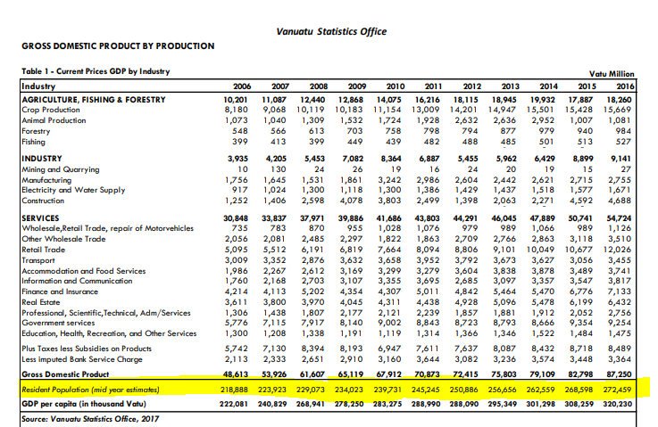

Mini Census

